TEDB Edition 40
The Greenhouse Gases, Regulated Emissions, and Energy Use in Technologies (GREET) Model

 | greet.es.anl.gov

GREET includes more than 100 fuel production pathways and more than 80 vehicle/fuel systems. These vehicle/fuel systems cover current and advanced vehicle technologies such as conventional spark-ignition engine vehicles, compression-ignition engine vehicles, hybrid electric vehicles, plug-in hybrid electric vehicles, battery-powered electric vehicles and fuel-cell electric vehicles. GREET also evaluates transportation modes other than light-duty vehicles, such as heavy-duty vehicles, aviation, rail and marine.

Figure 12.3 GREET Model Feedstocks and Fuels

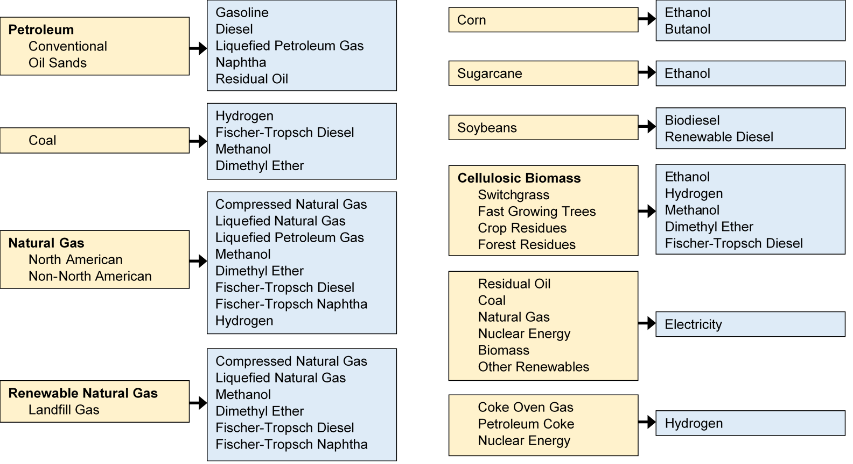

To address technology improvements over time, GREET 2021 simulates current and future vehicle/fuel systems up to year 2050.

For additional information about the GREET model and associated documentation, please visit the GREET website www.greet.es.anl.gov, or contact greet@anl.gov.

